Hiearchy View
Class: LIGHT CURTAIN
Light curtains are opto-electronic devices that are used to safeguard personnel in the vicinity of moving machinery with the potential to cause harm such as presses, winders and palletisers. | 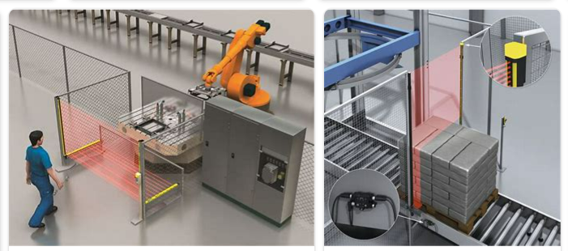
REMOVE | N

PROBLEM_DESC | CAUSE_DESC | REMEDY_DESC
ALARM/SENSOR
BROKEN/DAMAGED
LEAKING
LIGHTING
NOISE
OTHER PROBLEM
OVERHEATING
PESTS
POWER-ELEC
PRESSURE
SMELL
STOPPED/SLOWED/POOR OPS
TEMP-CTRL
VIBRATION
Grand Total

